Sheet1
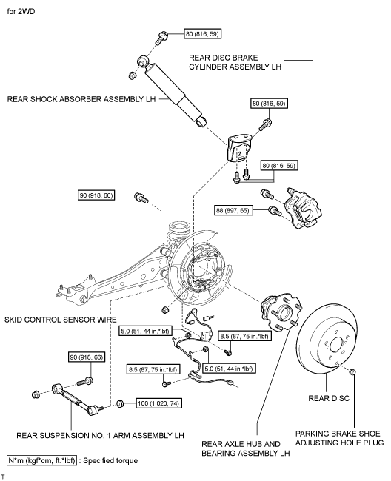
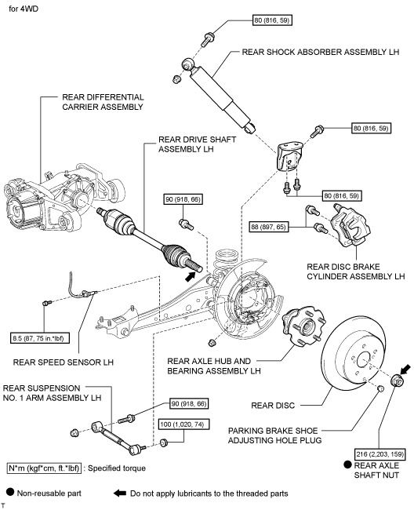
2008 Toyota Rav4 Sport 2.4
DRIVE AXLES, BEARINGS AND JOINTS COMPONENTS/WHEEL BEARING
Your Vehicle: 2008 Toyota Truck RAV4 2WD L4-2.4L (2AZ-FE)

 | Vehicle » Transmission and Drivetrain » Drive Axles, Bearings and Joints » Wheel Bearing » Service and Repair » Components

 | Components

AXLE: REAR AXLE HUB AND BEARING: COMPONENTS

COMPONENTS

ILLUSTRATION

